INVOICE
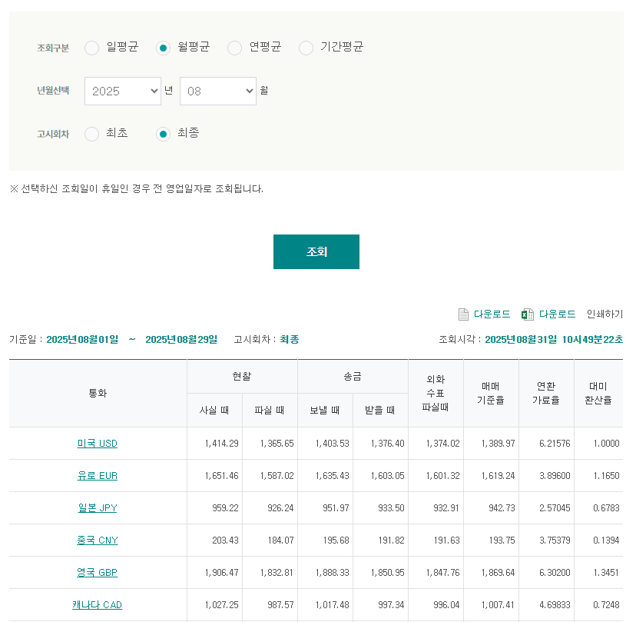
INVOICE - Latona Enterprises LTD. 2025.09
TO | Latona Enterprises LTD. Nature one 1510, 1 Robert speck parkway Mississauga Ontario Canada |  |  | FROM | ㈜엘엑스판토스 서울특별시 종로구 새문안로 58 LG 광화문빌딩 4F TEL : 02-3771-2114
[ 영세율 ]
DESC. |  | Quantity | Weight |  | 요율 | TOTAL
YYZ-ICN |  |  |  |  |  | $9,178.74

 |  |  |  |  | 최종 청구 금액 | $9,178.74

MDM | 1235181 / 2254924

환율
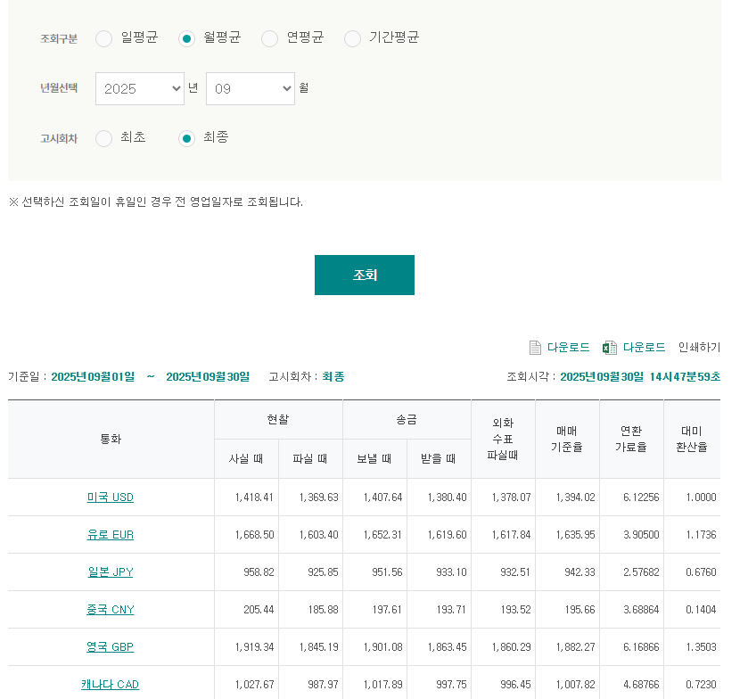
* 환율 : | 1394.02

